Sheet1
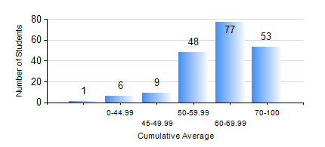
 |  |  | KWAME NKRUMAH UNIVERSITY OF SCIENCE AND TECHNOLOGY, KUMASI Department of Mechanical Engineering

 |  |  | BSC. MECHANICAL ENG.

 |  |  | COMPREHENSIVE RECORD OF EXAMINATION RESULTS

 |  |  | RESULTS OF YEAR 3 FIRST SEMESTER, 2023/2024 ACADEMIC YEAR

 | Sn | Course Code |  | Course Name | Credit Hours | Min. Mark | Max. Mark | Avg. Mark | Std. Dev. | No. Passed | No. Trailed | No. (Df) | No. (I) | No. (I*) | No. Tagged(I,I*,Df) | Total
 | 0. |  |  |  |  |  |  | 0 | 0 | 0 | 0 | 0 | 0 | 0 | 0 | 10
 | 1. | ECON 151 |  | INTRODUCTION TO ECONOMICS I | 2 | 16 | 95 | 67 | 12.83 | 180 | 4 | 0 | 0 | 0 | 0 | 184
 | 2. | MATH 351 |  | NUMERICAL ANALYSIS | 2 | 40 | 83 | 52 | 8.97 | 184 | 0 | 0 | 0 | 0 | 0 | 184
 | 3. | ME 361 |  | DYNAMICS OF MACHINERY | 3 | 12 | 96 | 62 | 22.71 | 157 | 27 | 0 | 0 | 0 | 0 | 184
 | 4. | ME 363 |  | AUTOMATIC CONTROL I | 2 | 36 | 77 | 56 | 7.97 | 183 | 1 | 0 | 0 | 0 | 0 | 184
 | 5. | ME 365 |  | THERMODYNAMICS II | 3 | 40 | 81 | 59 | 9.22 | 183 | 0 | 0 | 0 | 0 | 1 | 184
 | 6. | ME 373 |  | MACHINE ELEMENTS DESIGN I | 3 | 40 | 85 | 59 | 10.42 | 184 | 0 | 0 | 0 | 0 | 0 | 184
 | 7. | ME 395 |  | MECHANICAL ENGINEERING LAB. III | 1 | 58 | 78 | 72 | 4.44 | 184 | 0 | 0 | 0 | 0 | 0 | 184
 | 8. | STAT 253 |  | PROBABILITY AND STATISTICS | 2 | 29 | 85 | 56 | 10.5 | 179 | 5 | 0 | 0 | 0 | 0 | 184

